Hoja1
file:///C:/Users/Acer/Downloads/00.%20Wagner%202021%20affective%20polarization%20in%20multiparty%20systems.pdf
Wagner 2020
spread of like-dislike scores for each respondent. This approach recognizes that individuals can feel positively towards more than one party
This measure of affective polarization is based directly on existing measures of perceived ideological polarization, which also see polarization as the spread of the positions parties are seen as having (Dalton, 2008; Ezrow, 2007).

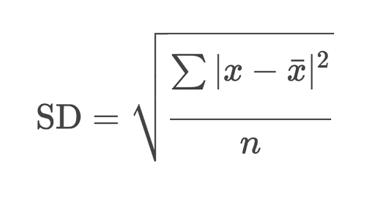

 |  |  | THE STANDAR DEVIATION

4.2. Comparison measure: mean distance from the most-liked party
As noted above, a second, more restrictive way of conceiving of affective polarization is as the average affective distance of other parties from one’s most liked party.
This ‘mean-distance’ measure captures how much lower on average an individual’s affect for other parties is. Hence, this measure assumes positive identification with one party as the key aspect of affect patterns. It is worth formalizing this measure and comparing it to the spread-of-scores measure.

 | Para el caso de los líderes, podemos inventarnos algún peso con la misma variable de like-dislike
 | No el voto que recibió cada partido, sino el grado que ese líder es relevante en la percepción de la gente
 | Una fórmula que obtenga:
 |  | Cuántas personas no lo conocen (índice de 0 a 1 normalizado)
 |  | Cuán importante es para las personas que sí lo conoce (comparación de las medias del 50% menos favorable al 50% más favorable)
 |  | (Suponiendo bimodal distributions) Es polarización individual / no relativa como mide el índice mismo
 | Mean distance (porque el otro es sensible al # de líderes )

 | MEDIR POLARIZACIÓN SEGÚN EL NIVEL DE KURTOSIS

Hoja3
Brasil
 | 2002 | 2006 | 2010 | 2014 | 2018
Affective Leader Polarization | 4.61 | 3.92 | 3.75 | 3.96 | 4.38
Affective Partisan Polarization | 3.52 | 2.82 | 3.49 | 3.12 | 3.11

Perú
 | 2000 | 2001 | 2011 | 2016
Affective Leader Polarization | 4.84 | 5.18 | 5.17 | 5.11
Affective Partisan Polarization | 5.00 | 4.85 | 5.03 | 4.24

México
 | 1997 | 2000 | 2006 | 2009 | 2012
Affective Leader Polarization | 2.84 | 2.35 | 4.63 | 3.89 | 4.30
Affective Partisan Polarization | 3.93 | 3.81 | 4.49 | 3.69 | 4.05
*Take into account: not all surveys were in presidential elections years

Chile
 | 1999 | 2005 | 2009 | 2017
Affective Leader Polarization
Affective Partisan Polarization

